Defect Report - Template
Title | El usuario se quiere registrar con un mail y contraseña ya registrado

Description / Overview | El usuario, al momento de crear su cuenta, ingresa un mail y una contraseña ya existente.

Reproduction Steps | 1- El usuario abre la pagina http://127.0.0.1:5000
 | 2- El usuario selecciona "Sing In"
 | 3- El usuario coloca un mail y una contraseña ya existente (Completando el resto de campos).
 | 4-El usuario seleccióna crear cuenta.

Expected Behavior | El sistema no permite crear el usuario y notifica el problema al usuario.

Actual Behavior | El sistema crea el usuario exitosamente
 | 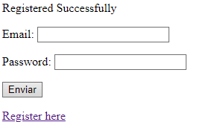
Incidence / Severity / Probability of reproduction | Severidad critica - Ocurre el 100% de las veces.

Story and Acceptance Criteria affected | Historia de usuario afectada: PE-54

Browsers tested | Google Chrome, v107.0.5304.107 (Build oficial) (64 bits)

Environment | QA environment, https://127.0.0.1:5000/register

Notes | El mail que pone es: m10@gmail.com y la contraseña: Messismo10!
 | Ya existe una cuenta con ese mail y contraseña

